Predictions
Group Stage
Second Round
Quarter Finals
Semi Finals
Final

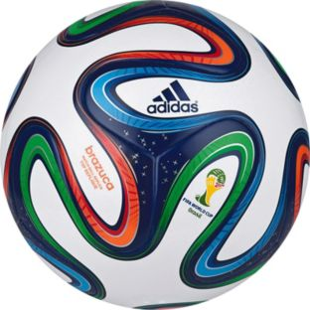
Group A
 |  | NAME:
 |  |  |  |  |  |  |  |  |  | Top scoring team
Brazil |  |  |  |  | Rnd2 1
Croatia | 1st place |  | Winner A | 0 |  |  |  |  |  | Worst performing team
Mexico | 2nd place |  | vs. R/up B | 0
Cameroon |  |  |  |  |  |  |  |  |  | Total tournament goals

Group B
Spain |  |  |  |  | Rnd2 2 |  |  | QF 1
Netherlands | 1st place |  | Winner C | 0 |  | Rnd2 5 | 0
Chile | 2nd place |  | vs. R/up D | 0 |  | Rnd2 6 | 0
Australia
 |  |  |  |  |  |  |  |  |  |  | SF 1
Group C
Colombia |  |  |  |  | Rnd2 3 |  |  |  | Winner QF 1 | 0
Greece | 1st place |  | Winner B | 0 |  |  |  |  | Winner QF 2 | 0 |  |  |  | Winner
Ivory Coast | 2nd place |  | vs. R/up A | 0 |  |  |  |  |  |  |  | Winner SF 1 | 0
Japan |  |  |  |  |  |  |  | QF 2 |  |  |  | Winner SF 2 | 0
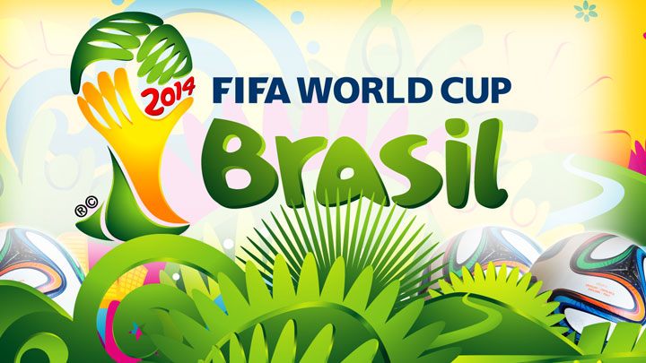
 |  |  |  |  |  | Rnd2 1 | 0
Group D
Uruguay |  |  |  |  | Rnd2 4 | Rnd2 2 | 0
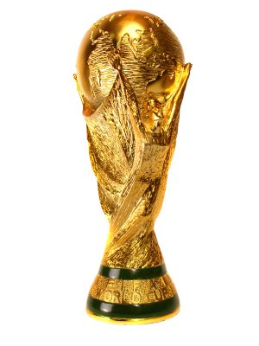
Costa Rica | 1st place |  | Winner D | 0
England | 2nd place |  | vs. R/up C | 0
Italy

Group E
Switzerland |  |  |  |  | Rnd2 5
Ecuador | 1st place |  | Winner E | 0 |  |  |  | QF 3
France | 2nd place |  | vs. R/up F | 0 |  | Rnd2 7 | 0
Honduras |  |  |  |  |  | Rnd2 8 | 0

Group F
Argentina |  |  |  |  | Rnd2 6 |  |  |  |  |  | SF 2
Bosnia-Hercegovina | 1st place |  | Winner G | 0 |  |  |  |  | Winner QF 3 | 0
Iran | 2nd place |  | vs. R/up H | 0 |  |  |  |  | Winner QF 4 | 0
Nigeria
 |  |  |  |  |  |  |  | QF 4
Group G
Germany |  |  |  |  | Rnd2 7 | Rnd2 3 | 0
Portugal | 1st place |  | Winner F | 0 |  | Rnd2 4 | 0
Ghana | 2nd place |  | vs. R/up E | 0
United States

Group H
Belgium |  |  |  |  | Rnd2 8
Algeria | 1st place |  | Winner H | 0
Russia | 2nd place |  | vs. R/up G | 0
South Korea

